1. Title Page
[InstaCart Basket Analysis]

Project Name: InstaCart Basket Analysis
Date: December 2024
Analyst Name: Abdelrahman Moustafa

Contents:
Population Flow
Consistency checks
Wrangling steps
Column derivations
Visualizations
Recommendations

2. Population Flow
 |  |  | Title page

Population flow

Exclusion flag
Condition: max_order < 5
Customers Removed: 43,578
Obervations to be removed: 1,440,295
Final total count of order_products_all: 30,964,564

Orders_products_combined
Orders_products_merged
Orders_products_all

Total:
Total:
32,434,489 | 32,404,859 | 32,404,859

1.) The grey boxes in the first row of the population flow represent the original data sets as they were when you downloaded them. In the Total fields you need to add the count of the rows when you imported the data set into Jupyter.
2.) The second row of boxes (coloured) represents the data sets after you manipulated them, e.g., removed missing values and duplicates. In the Total fields you need to add the count of the rows after conducting these operations. This offers a visual oveview of how the data flows throughout the data consistency checks.
3.) The third row, where also the arrows are coloured, represents the merges you performed between the datasets. In the Total fields you need to add the count of the rows in the merged datasets, so that you end up with the final dataset (in the red box). Keep in mind the final dataset should be without exclusions (based on the exclusion flag).

3. Consistency checks
 |  |  |  | Title page
Consistency checks

Dataset | Missing values | Missing values treatment | Duplicates
orders | 206,209 missing values from 'days_since_prior_order column', normal as each customer's first order is NaN | No treatment | No duplicates found
products | 16 missing 'product_name' | Removed & placed in new df_prods_clean | 5 duplicated rows removed
orders_products_prior | No missing values |  | No duplicates found
customers | 11259 rows with missing 'first name', but we will still use the data as it contains other important information related to the user. | No treatment | No duplicates found

4. Wrangling steps
 |  |  |  |  | Title page
Wrangling steps

DataSet | Columns dropped | Columns renamed | Columns' type changed | Comment/Reason
Orders | eval_set'
Orders |  | order_dow' : 'order_day_of_week'
Orders |  |  | user_id' to str | As user id is an identifier and not an actual integer
Customers |  | columns = {'Surnam' : 'surname','STATE' : 'State', 'First Name' : 'first_name'})
Customers |  |  | first_name' to str | it had missing values and was assigned a wrong data type

5. Column derivations
 |  |  |  | Title page

Column derivations and aggregations

In this tab you should add tables below that the frequences of flags/label variables that you produced after deriving them. NB: don't do this for continuous variables, only for flags.
Dataset | New column | Column/s it was derived from | Conditions
Ords_prods_cust_final | price_range_loc' | prices' | <= 5 'Low-range product' > 5 & <= 15 'Mid-range product' > 15 'High range'
Ords_prods_cust_final | 'Busiest_day' | order_day_of_week' | 0 or 1 Busiest Days 3 or 4 Slowest Days else Regularly Busy
Ords_prods_cust_final | 'Busiest_period_of_day' | 'order_hour_of_day' | [10,11,14,15,13,12,16,9] Most Orders [17,8,18,19,20,7] Average Orders else Fewest Orders
Ords_prods_cust_final | 'loyalty_flag' | 'max_order' | > 40 Loyal Customer <= 40 & > 10 Regular Customer <= 10 New Customer
Ords_prods_cust_final | spending_flag | 'average_price' | < 10 Low Spender >=10 High Spender
Ords_prods_cust_final | 'freq_flag' | median_days_since_prior_order' | <= 10 Frequent Customer > 10 & <=20 Normal Customer > 20 Non-Frequent Customer
Ords_prods_cust_final | Region' | 'State' | https://simple.wikipedia.org/wiki/List_of_regions_of_the_United_States
Ords_prods_cust_final | 'Customers_Exclusion' | 'max_order' | < 5 Excluded >=5 Included
Ords_prods_cust_final | customer_profile' | age' & 'n_dependants' | age <= 30 & n_dependants == 0 Single Adult n_dependants >= 1 Parent age > 65 Senior

6. Visuals & Recommendations
 | Title page

Visualisations & Recommendations

In this tab you should include all the visualtions from Exercises 4.9 and 4.10, alongside the questions from the project brief that they answer. Include any commentary on the relationship between different variables.
Include any recommendations you would made to Instcart in terms of their marketing strategy based on the questions posed in the brief. Every key question has been covered in the Tasks of the Exercises - here you need to add an item - a visualisation or table/crosstable that is showing the answer in the data, acompanied by a comment from you. Please, list the questions below and add the answer underneath.

The sales team needs to know what the busiest days of the week and hours of the
day are (i.e., the days and times with the most orders) in order to schedule ads at
times when there are fewer orders.
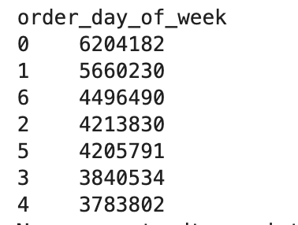


Order of Busiest days from Most Busy To least Busy: Saturday, Sunday, Friday, Monday, Thursday, Tuesday, Wednesday

Recommendation
Focus advertisements on less busy times (e.g., early mornings or late evenings) to encourage more orders during these periods.
Run targeted promotions on less busy days (Tuesday, Wednesday) to balance order volume throughout the week.

They also want to know whether there are particular times of the day when people
spend the most money, as this might inform the type of products they advertise at
these times.
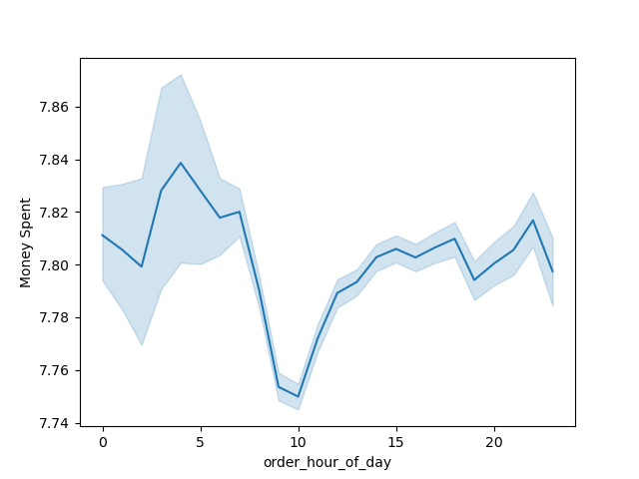

Recommendation
Promote premium products and upsell during peak spending hours.
Highlight discounts and budget-friendly products during off-peak hours to drive engagement.

Instacart has a lot of products with different price tags. Marketing and sales want to
use simpler price range groupings to help direct their efforts.

Are there certain types of products that are more popular than others? The marketing
and sales teams want to know which departments have the highest frequency of
product orders. Product preference by family status?
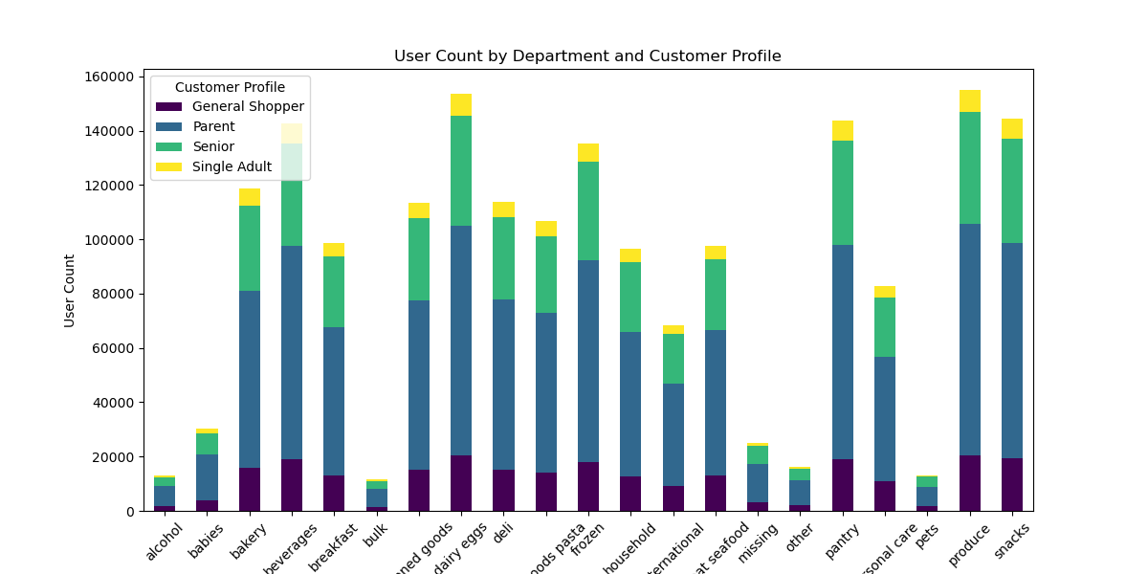

dairy eggs, pantry, produce, snacks among the top departments by user count

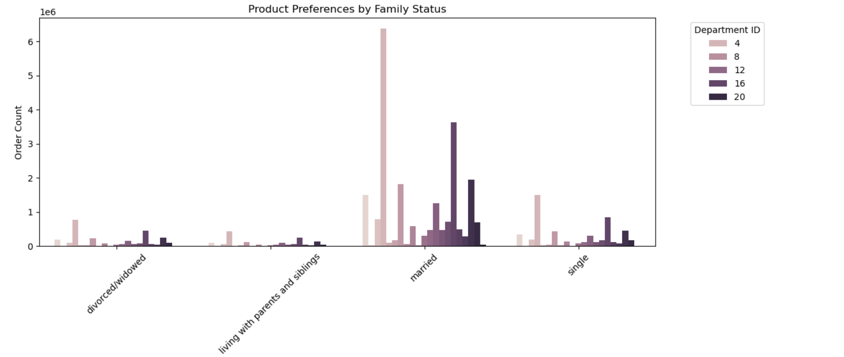

Recommendation
Create bundle offers for high-demand categories to increase basket size.

What’s the distribution among users in regards to their brand loyalty? Are there differences in ordering habits based on loyalty status?

Loyal Customers are much less in comparison with New customers and Regular Customers. However their spending average is much higher as they purchase more orders, With the most loyal customer having a max total spent of 26394!

Recommendation

Develop a loyalty program that rewards high-frequency purchases (e.g., discounts, early access to deals).
Target new customers with introductory offers to build loyalty over time

Are there differences in ordering habits based on a customer’s region and customer profile?

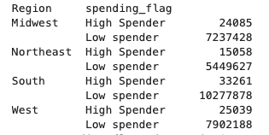

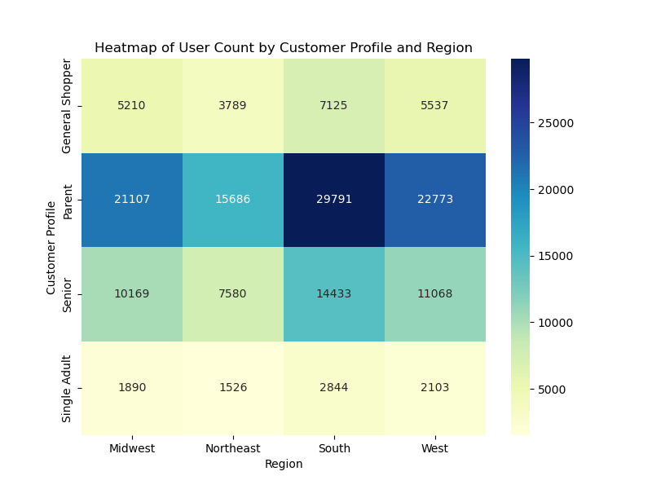

We can see that People in the South tend to purchase more products, and they have the highest spenders ( people who purchase products > $10. However, The number of orders and average spending are pretty much consistent and similar across all regions

Recommendation
Tailor marketing messages to specific demographic groups within each region (e.g., family-focused campaigns in regions with more parents).
Allocate regional marketing budgets proportionally to customer spending power.

Demographic information based on customer profile distribution , age, income
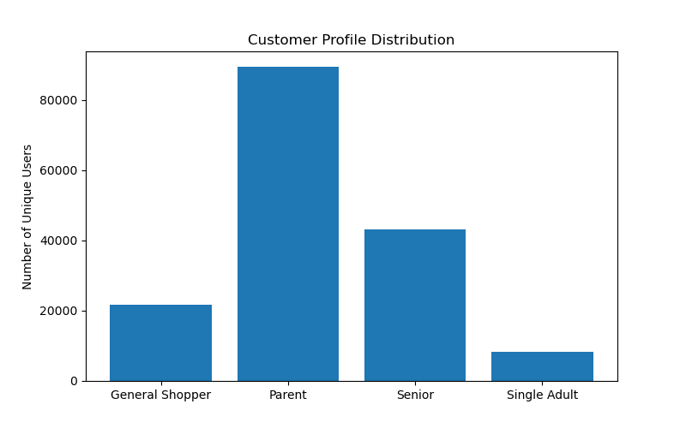

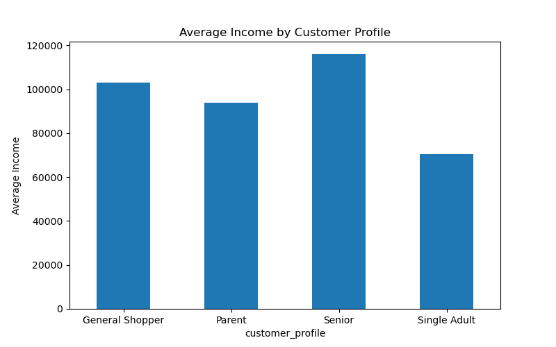



Seniors tend to have higher incomes but may place fewer orders compared to parents or general shoppers.

Recommendations
Develop campaigns targeting seniors with premium products and convenience-based solutions (e.g., home delivery, curated product lists).
Encourage parents to increase spending by emphasizing cost-effective, family-sized products.

